1. Title Page
Basket Analysis

Project Name: Instacart Basket Analysis
Date: October 4, 2022
Analyst Name: Louise Liebeskind

Contents:
Population Flow
Consistency checks
Wrangling steps
Column derivations
Visualizations
Recommendations

3. Population Flow
Title page

Population flow

Exclusion flag
Condition: max_order <
Obervations to be removed:
Final total count of order_products_all:

Orders_products_combined
Orders_products_merged
Orders_products_complete

Total:
Total:
Total:

1.) The grey boxes in the first row of the population flow represent the original data sets as they were when you downloaded them. In the Total fields you need to add the count of the rows when you imported the data set into Jupyter.
2.) The second row of boxes (coloured) represents the data sets after you manipulated them, e.g., removed missing values and duplicates. In the Total fields you need to add the count of the rows after conducting these operations. This offers a visual oveview of how the data flows throughout the data consistency checks.
3.) The third row, where also the arrows are coloured, represents the merges you performed between the datasets. In the Total fields you need to add the count of the rows in the merged datasets, so that you end up with the final dataset (in the red box). Keep in mind the final dataset should be without exclusions (based on the exclusion flag).

4. Consistency checks
 |  |  |  |  | Title page
Consistency checks

Dataset | Missing values | Missing values treatment | Incorrect Values | Duplicates
orders | 206, 209 missing vlaues in days_since_prior_order | Imputed from mean (11.11) |  | No
products | 16 in product_name | Deleted rows with missing values | prices of 14900 and 99999. Replaced with Nan | Yes, 5 duplicate rows deleted from cleaned df
orders_products_prior | No |  |  | No
customers | 11259 'first_name' missing | Did nothing |  | No

5. Wrangling steps
 |  |  |  |  | Title page
Wrangling steps

Columns dropped | Columns renamed | Columns' type changed | Transpositions | Comment/Reason
orders: eval_set |  |  |  | unnescessary to current analysis
 | orders: order_dow to order_day_of_the_week |  |  | easier to understand
 |  | orders: order_id and user_id changed to string |  | not needed in mathematical operations
 |  |  | departments: transposed from wide to long. Added a new header. | easier to understand and index
 | customers: First Name to first_name |  |  | clarity and consistency across columns
 | customers: Surnam to last_name |  |  | clarity and consistency across columns
 | customers: Gender to gender |  |  | clarity and consistency across columns
 | customers: STATE to state |  |  | clarity and consistency across columns
 | customers: Age to age |  |  | clarity and consistency across columns
 | customers: n_dependants to number_of_dependants |  |  | clarity and consistency across columns
 | customers: fam_status to marital_status |  |  | clarity and consistency across columns
 |  | customers: first_name to string |  | because mixed type data, not needed in mathematical operations

6. Column derivations
 |  |  |  | Title page

Column derivations and aggregations

In this tab you should add tables below that the frequences of flags/label variables that you produced after deriving them. NB: don't do this for continuous variables, only for flags.
Dataset | New column | Column/s it was derived from | Conditions
orders_products_merged | price_range_loc | prices | prices > 15 : 'High-range product'; <= 15 and > 5 : 'Mid-range product'; <= 5 = 'Low-range product'
orders_products_merged | busiest days | order_day_of_week | order_day_of_week == 0 or 6 : 'busiest days'; == 4 or 3 : 'regularly busy'; == 1 or 2 : 'least busy'
orders_products_merged | busiest_period_of_day | order_hour_of_day | order_hour_of_day > 9 and <= 16 : 'Most Orders'; > 16 and <= 22 : 'Average Order's; > 22 or <= 6 : 'Fewest Orders'
orders_products_merged | loaylty_flag | max_order | max_order > 40 : 'Loyal Customer'; <= 40 and > 10 : 'Regular Customer'; <= 10 : 'New Customer'
orders_products_merged | spending_flag | avg_price | avg_price >= 10 : 'High Spender'; < 10 : 'Low Spender'
orders_products_merged | frequency_flag | median_days_since | median_days_since > 20 : 'Infrequent'; > 10 <= 20 : 'Regular'; <= 10 : 'Frequent'

7. Visualizations
 |  |  | Title page

Visualisations

Order Time and Price Analysis

Number of Orders by Day of the Week | Product Price Frequency | Order Prices by Day of the Week

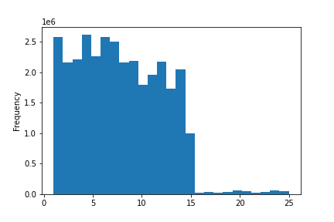
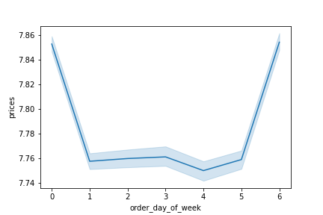

Order day ot the week. 0 = Sunday | Product pices, from $1 to $25

The greatest numbers of orders are placed on Sundays and Mondays, the lowest on Wednesdays and Thursdays. | Most InstaCart items are priced between $1 and $15 with a max of $25. | InstaCart customers buy higher priced items on Saturdays and Sundays.

Frequency of Customer Orders by Hour of the Day | Order Prices by Hour of the Day

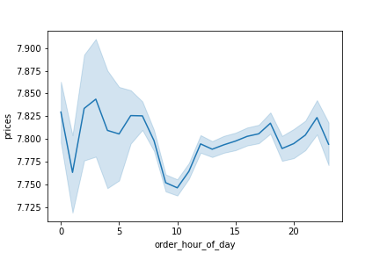

Order Hour of the Day. 0 = midnight
Instacart sales increase rapidly over the course of the morning, maxing out around 11am. Order numbers stay high through the early and mid afternoon. They begin to decline starting around 5pm, dropping steeply through the evening and into the night. Sales reach their lowest point around 3am and stay low until 6-7 am, when they begin to rise again sharply. | Interestingly, order prices dip significantly in the late morning hours, just as the numbers of orders rise to their highest point. Order prices rise again quickly, however, in the early afternoon and keep rising slowly through dinnertime. There is another dip in prices during/after dinner, and another peak just before people go to bed. Prices vary more widely in the middle of the night, with large margins of error. All this would seem to indicate that customers consistently buy lower priced items when they are shopping for staples in the middle of the day. They also consistently spend more money per order when they are shopping for a single night's dinner, but they are less consistent in their spending habits when making late night impulse buys.

Customer Analysis

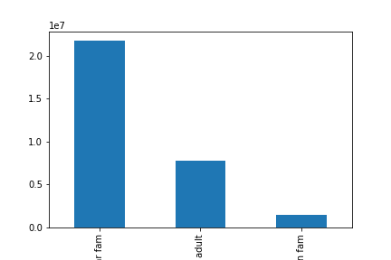
Customer Loyalty Flag | Customer Income by Age | Customer Household Types
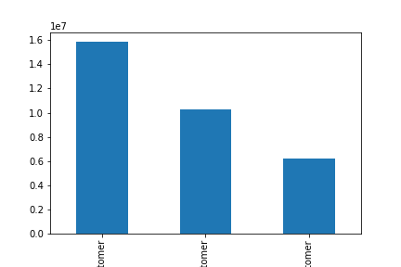


Regular customer Loyal customer New customer |  | Nuclear Family One Adult Multigenerational Family
As expected, the largest number of Instacart customers are 'Regular customers', meaning they have placed between 10 and 40 Instacart orders in their lifetime. Instacart does have significantly more 'Loyal customers', however, who have ordered more than 40 times, than it does 'New customers', who have ordered fewer than 10 times. This indicates a high level of customer retention and repeat business, and room for growth in attracting new customers. | The greatest density of customer yearly income remains under 20,000 across age levels, but there is a marked increase in higher income status among customers over 40. | By far the greatest number of InstaCart customers are married with one or more dependants. The second most common household type is that of an unmarried, divorced, or widowed adult living alone. The remaning customers in our data are adults living with thier parents and/or siblings, who also have dependants of their own.

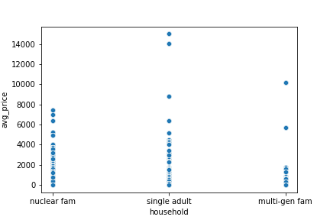
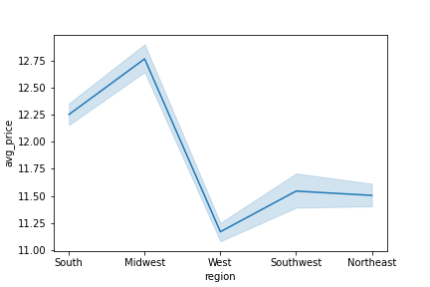
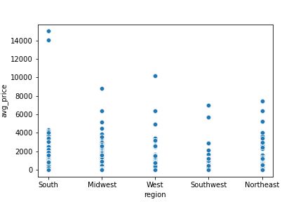
Average Product Price by Household Type | Average Product Price by Region | Average Product Price by Region, Scatterplot

The customers who pay the highest average product prices are single, divorced or widowed adults without dependants. Customers shopping for nuclear families cluster around low to mid-range product prices, while the prices paid by customers from multigenerational families vary more widely. | Customers from the Midwest order the highest-priced products on average, followed by the South, the Southwest, the Northeast, and the West.

8. Recommendations
 |  |  |  |  | Title page

Recommendations

Key Questions

1) What are the busiest days of the week and hours of the day?

Sundays are the busiet days. 11 am is the busiest hour.

Number of Orders by Day of the Week |  | Number of Orders by Hour of the Day

Order day ot the week. 0 = Sunday |  | Order Hour of the Day. 0 = midnight

The greatest numbers of orders are placed on Sundays and Mondays, the lowest on Wednesdays and Thursdays. |  | Instacart sales increase rapidly over the course of the morning, maxing out around 11am. Order numbers stay high through the early and mid afternoon. They begin to decline starting around 5pm, dropping steeply through the evening and into the night. Sales reach their lowest point around 3am and stay low until 6-7 am, when they begin to rise again sharply.

2) Are there certain times of the day when customers spend the most money?

Yes, there are peaks and troughs .

Order Prices by Hour of the Day

Interestingly, order prices dip significantly in the late morning hours, just as the numbers of orders rise to their highest point. Order prices rise again quickly, however, in the early afternoon and keep rising slowly through dinnertime. There is another dip in prices during/after dinner, and another peak just before people go to bed. Prices vary more widely in the middle of the night, with large margins of error. All this would seem to indicate that customers consistently buy lower priced items when they are shopping for staples in the middle of the day. They also consistently spend more money per order when they are shopping for a single night's dinner, but they are less consistent in their spending habits when making late night impulse buys.

3) Are there certain types of products which are more popular than others?

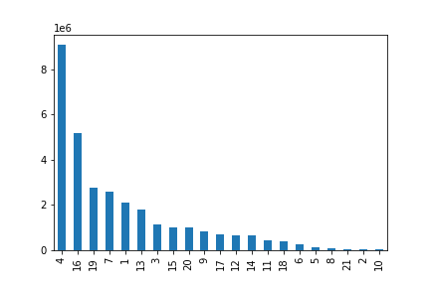
Yes, produce, dairy/eggs, and snacks are the most popular product types
 | department_id key
Number of Orders by department_id | 1 | frozen
 | 2 | other
 | 3 | bakery | 1 | frozen
 | 4 | produce | 2 | other
 | 5 | alcohol | 3 | bakery
 | 6 | international | 4 | produce
 | 7 | beverages | 5 | alcohol
 | 8 | pets | 6 | international
 | 9 | dry goods pasta | 7 | beverages
 | 10 | bulk | 8 | pets
 | 11 | personal care | 9 | dry goods pasta
 | 12 | meat seafood | 10 | bulk
 | 13 | pantry | 11 | personal care
 | 14 | breakfast | 12 | meat seafood
 | 15 | canned goods | 13 | pantry
 | 16 | dairy eggs | 14 | breakfast
 | 17 | household | 15 | canned goods
 | 18 | babies | 16 | dairy eggs
 | 19 | snacks | 17 | household
department_id | 20 | deli | 18 | babies
 | 21 | missing | 19 | snacks
 |  |  | 20 | deli
 |  |  | 21 | m

4) How is customer brand loyalty distributed?

As might be expected, the largest number of Instacart customers are 'Regular customers', meaning they have placed between 10 and 40 Instacart orders in their lifetime. Instacart does have significantly more 'Loyal customers', however, who have ordered more than 40 times, than it does 'New customers', who have ordered fewer than 10 times. This indicates a high level of customer retention and repeat business, and room for growth in attracting new customers.

Customer Loyalty Flag

Regular customer Loyal customer New customer

5) Are there differences in ordering habits based on loyalty status?

Yes, New Customer spending habits are much more diverse and include higher average priced products than either regular or loyal customers. For the most part, the more loyal the customer the lower the average price per order.

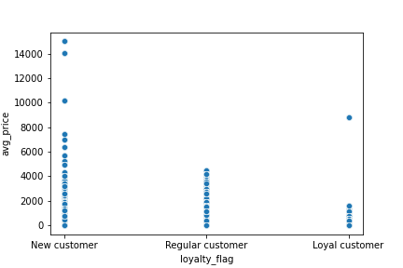
Average Price of Order by Loyalty Flag

6) Are there differences in ordering habits based on region?

Yes, surprisingly, customers from the Midwest show the highest-priced products on average, followed by the South, the Southwest, the Northeast, and the West.

Average Order Price by Region, Line |  | Average Order Price by Region, Scatter

7) Is there a connection between age and family status in terms of ordering habits?

Yes. The customers who pay the highest average product prices are single, divorced or widowed adults without dependants. Customers shopping for nuclear families cluster around low to mid-range product prices, while the prices paid by customers from multigenerational families vary more widely.

Average Product Price by Household Type

